UNormalized
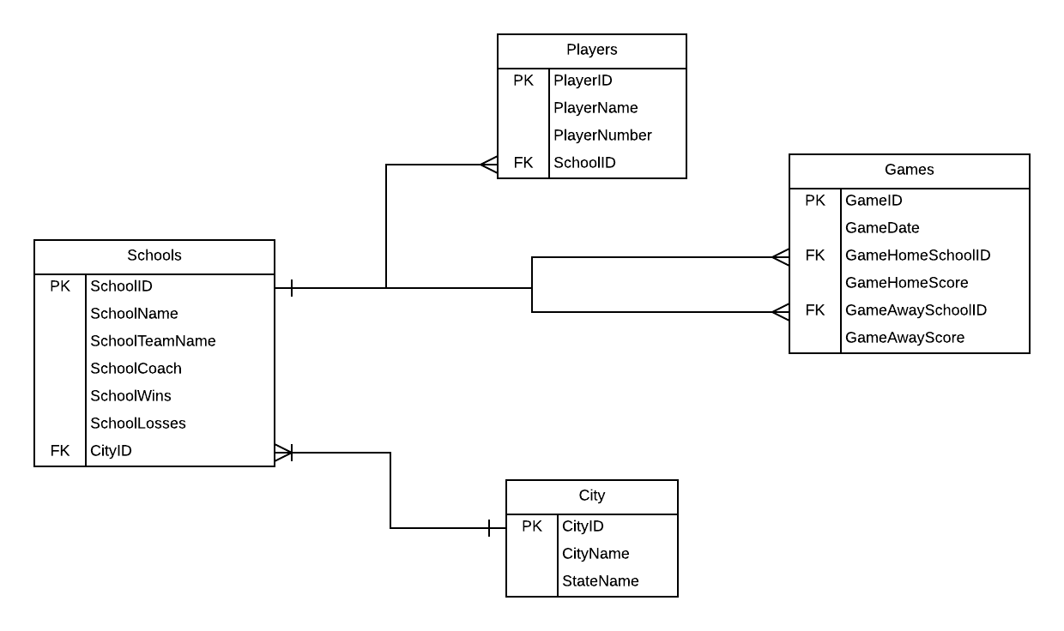
Utah High School Football

Unnormalized
School | City | Coach | Player Number | Player Name | Team Name | Record | Game 1 Date | Game1 Score | Game 2 Date | Game 2 Score
Weber | North Ogden | Corbridge | 42 | Locke | Warriors | 3W 6L | 2011-08-20 | 3 - 7 (L) | 2011-08-27 | 0 - 31 (L)
Weber | North Ogden | Corbridge | 18 | Reyes | Warriors | 3W 6L | 2011-08-20 | 3 - 7 (L) | 2011-08-27 | 0 - 31 (L)
Northridge | Layton | Thompson | 6 | Austin | Knights | 9W 3L | 2011-08-20 | 21 - 14 (W) | 2011-09-03 | 13 - 54 (L)
Davis | Kaysville | Bishop | 42 | Shepherd | Darts | 8W 2L | 2011-09-03 | 27 - 20 (W) | 2011-09-17 | 6 - 14 (L)

 |  |  |  |  |  |  |  |  | Kory Hutchison
 |  |  |  |  |  |  |  |  | IS 402
 |  |  |  |  |  |  |  |  | Section 2
Tables |  |  |  |  |  |  |  |  | Group 12

Table Names: | Schools |  | Players |  | Games |  | City
 | SchoolID |  | PlayerID |  | GameID |  | CityID
 | SchoolName |  | PlayerName |  | GameDate |  | CityName
 | SchoolTeamName |  | PlayerNumber |  | GameHomeSchoolID |  | StateName
 | SchoolCoach |  | SchoolID |  | GameHomeScore
 | SchoolWins |  |  |  | GameAwaySchoolID
 | SchoolLosses |  |  |  | GameAwayScore
 | CityID

Notes: | We based our school table on an identity field so that each school can have a unique idenity so the schools can be unique for each state. We will also use the school table to track the wins and losses in separate columns so that it can be queried easily. We also thought about creating a team table, but decided that it was better to leave it this way. |  | The player table is based of an identity field called PlayerID and this ensures that each player can have the same uniform number as another player, but still be separate. We also put the SchoolID so that the player can be linked to a school. |  | For the games table we made an identity field of GameID to make each game unique, and then have the date so we can tell the order of each game. Then we considered making a GameScores table that would separate the scores from the actual games table, but we dedided that our design woud make things easier. |  | We took the city table out of our orgininal Schools table because then we could make each school unique to each state. This prevents duplicate names in the schools table. We also considered making a states table, but figured it wouldn’t add any better functionality.

